Sheet1
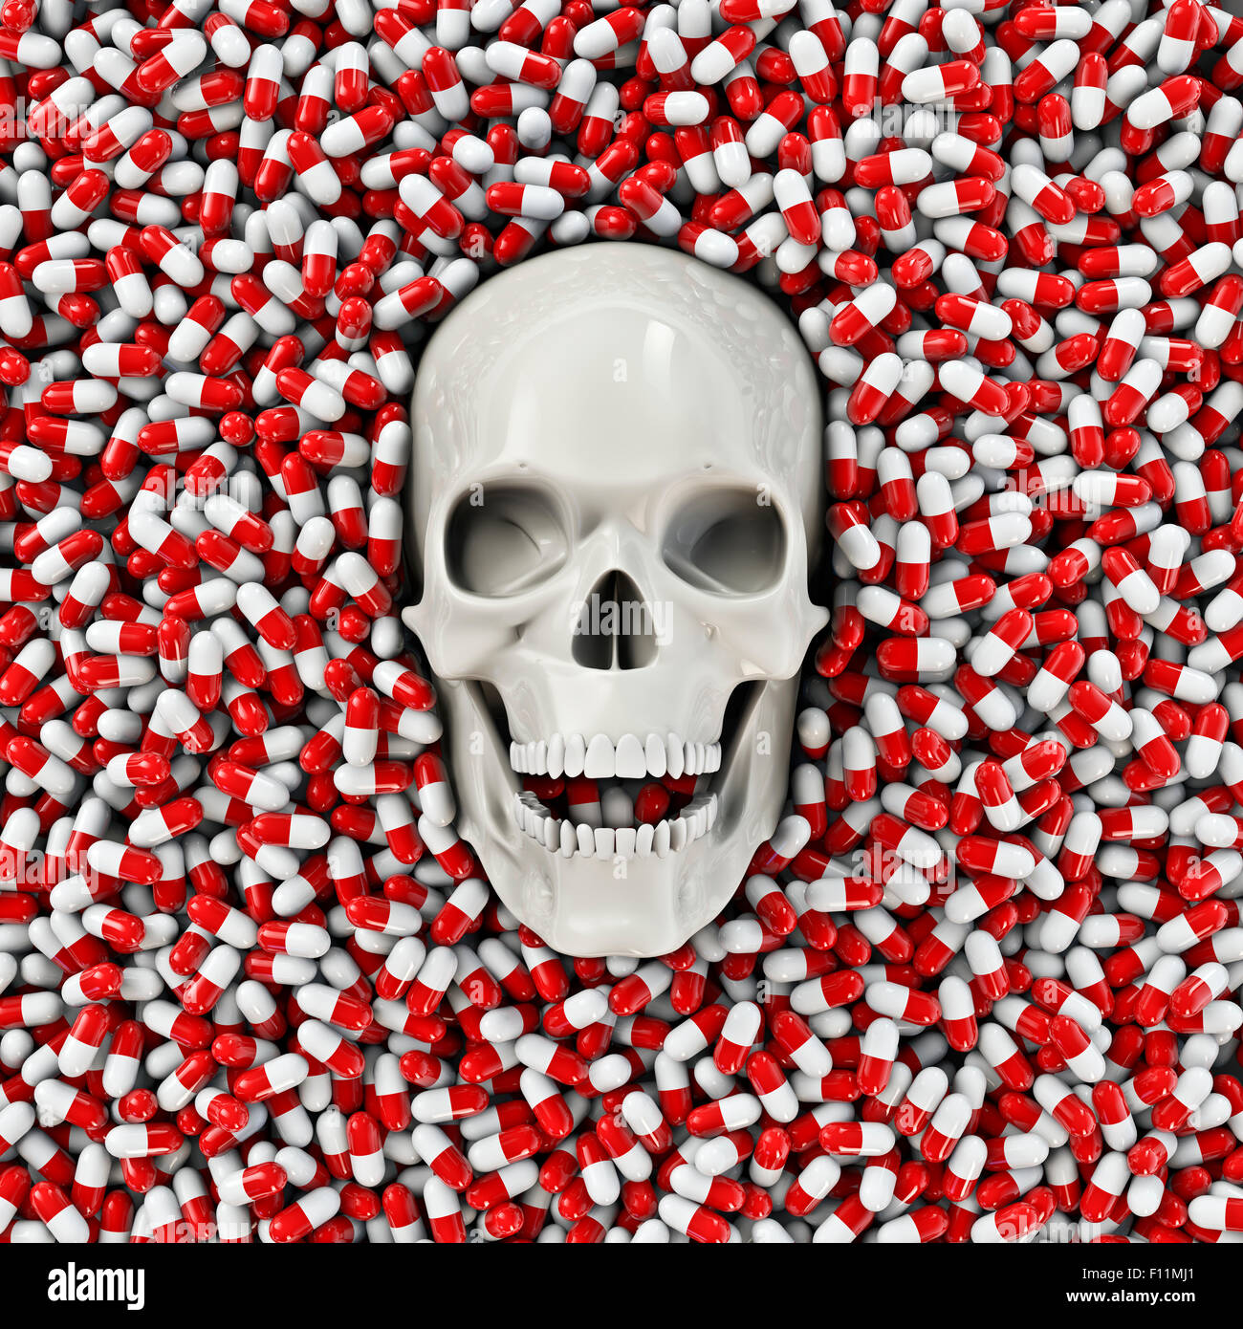
 | Total
alcohol | 1
fentanyl | 2
GHB | 1
Hallucinogens | 10
heroin | 1
marijuana | 1
tobacco | 1
 | 3
 | Total
balani | 156
jain | 156
ravi | 452
shekhar | 378
snehanshu | 156
soni | 235

 | Total
cannabis | 1936.34
fentanyl | 6241
 | 6241
 | Total
balani | 156
jain | 156
ravi | 452
shekhar | 378
snehanshu | 156
soni | 235

